Sheet1
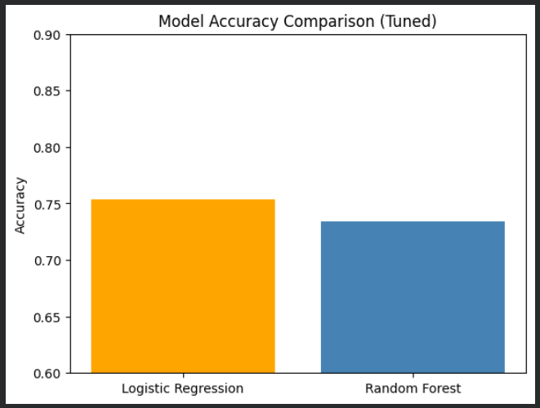
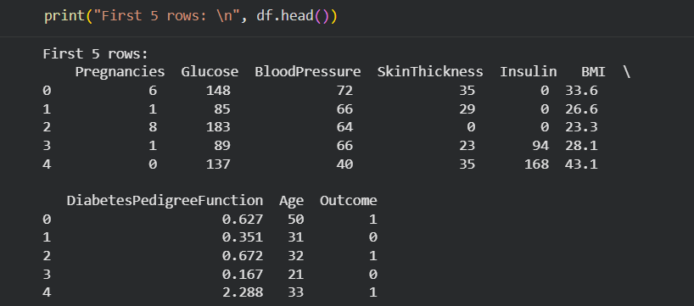
FIRST 5 ROWS

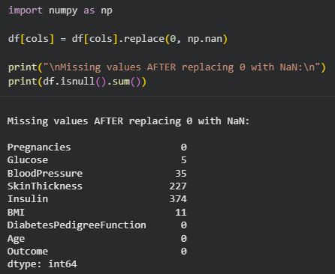
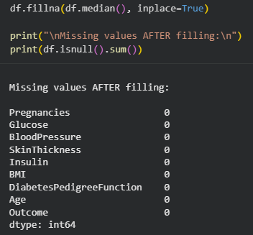
DATA PREPROCESSING
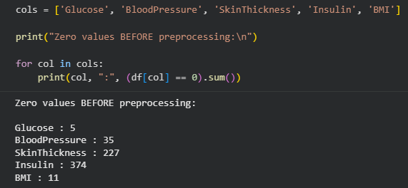

LABEL ENCODING (Categorical to Numerical)
All values in our dataset are strictly numeric, meaning every variable is represented using numbers with no categorical or textual data present.

FEATURE IMPORTANCE
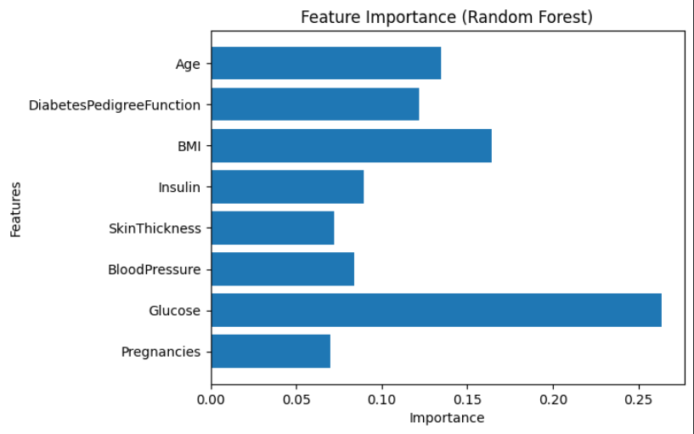

HYPERPARAMETER TUNING
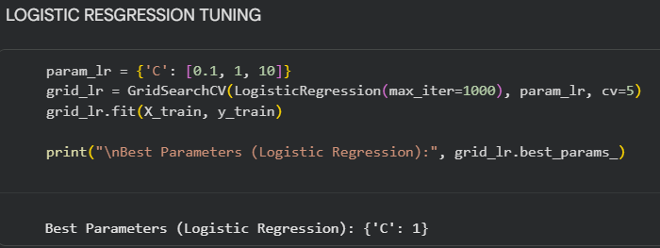
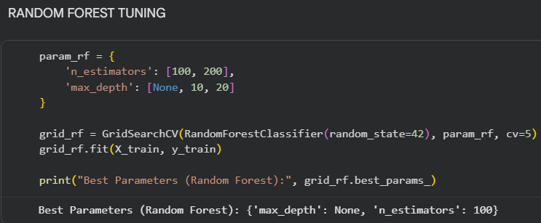

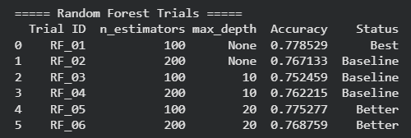
Algorithm: LOGISTIC REGRESSION | RANDOM FOREST

FINAL MODEL SELECTION

